Cover Page
Mckinsey Visuals Dataset.


Get 10% OFF our course using coupon code EMAIL10

Get our PowerPoint for Business and Finance Course.

Made by Career Principles Ltd.

Note
All content is copyright material of Career Principles Ltd.
This Excel model may not be reproduced or distributed by any means, including printing, screencapturing, or any other method without the prior permission of the publisher.

1
Sector | Transformation | Helper
Advanced industries | 9 | 91
Global energy and materials | 15 | 85
Travel, logistics, and infrastructure | 22 | 78
Life sciences | 28 | 72
Consumer | 39 | 61
Telecommunications, media, and technology | 70 | 30
Financial Services | 71 | 29
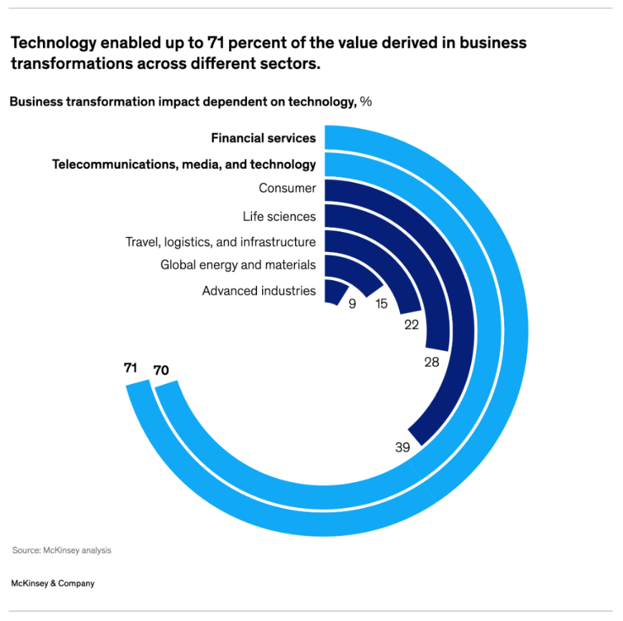
Technology enabled up to 71 percent of the value derived in business transformations across different sectors.

Business transformation impact dependent on technology, %
Financial Services
Telecommunications, media, and technology
Consumer
Life sciences
Travel, logistics, and infrastructure
Global energy and materials
Advanced industries

2
Year | Quarter | Divestiture | Merger or Acquisition
2018 | Q1 | 13 | 36
 | Q2 | 16 | 29
 | Q3 | 15 | 46
 | Q4 | 18 | 40
2019 | Q1 | 11 | 30
Following a sharp decline in 2020, M&A activity in the machinery sector surpassed prepandemic levles in 2021 and 2022.
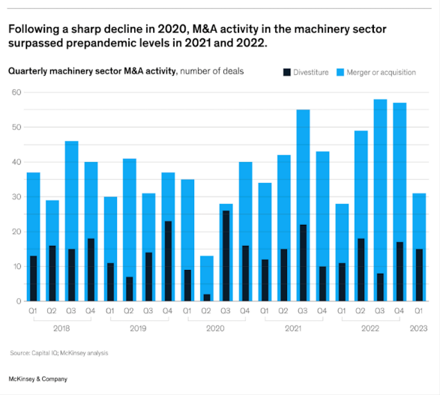
 | Q2 | 6 | 41
 | Q3 | 14 | 31
Quarterly machinery sector M&A activity, number of deals
 | Q4 | 23 | 37
2020 | Q1 | 9 | 35
 | Q2 | 2 | 13
 | Q3 | 26 | 27
 | Q4 | 16 | 40
2021 | Q1 | 12 | 34
 | Q2 | 15 | 42
 | Q3 | 21 | 55
 | Q4 | 10 | 43
2022 | Q1 | 11 | 27
 | Q2 | 18 | 49
 | Q3 | 8 | 58
 | Q4 | 16 | 57
2023 | Q1 | 15 | 31

2018
2019
2020
2021
2022
2023

3
 | Entry level | Manager | Senior manager /director | Vice president | Senior vice president | C-suite
White Women | 30 | 28 | 27 | 24 | 22 | 20
Women of color | 17 | 12 | 9 | 7 | 5 | 4
Men of color | 17 | 17 | 15 | 13 | 12 | 13
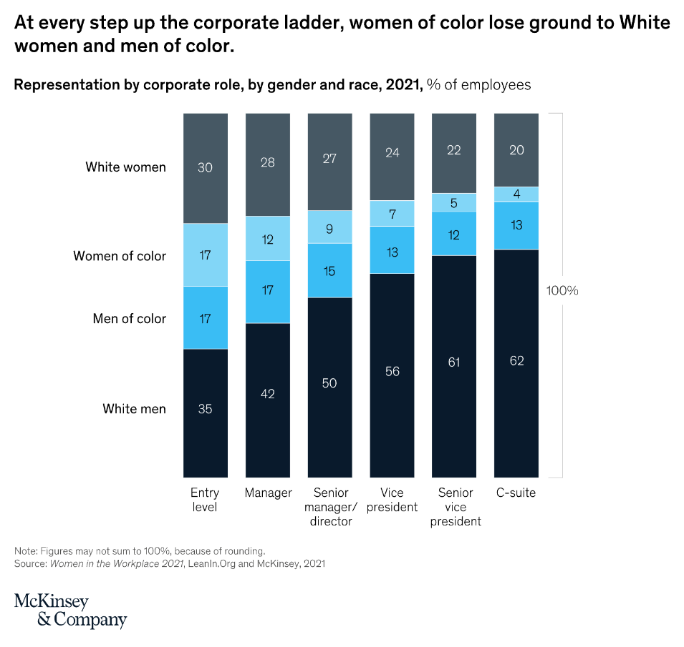
White men | 35 | 42 | 50 | 56 | 61 | 62
At every step up the corporate ladder, women of color lose ground to White women and men of color.

Representation by corporate role, by gender and race, 2021, % of employees

White women

Women of color
100%
Men of color

White men

